Sheet1
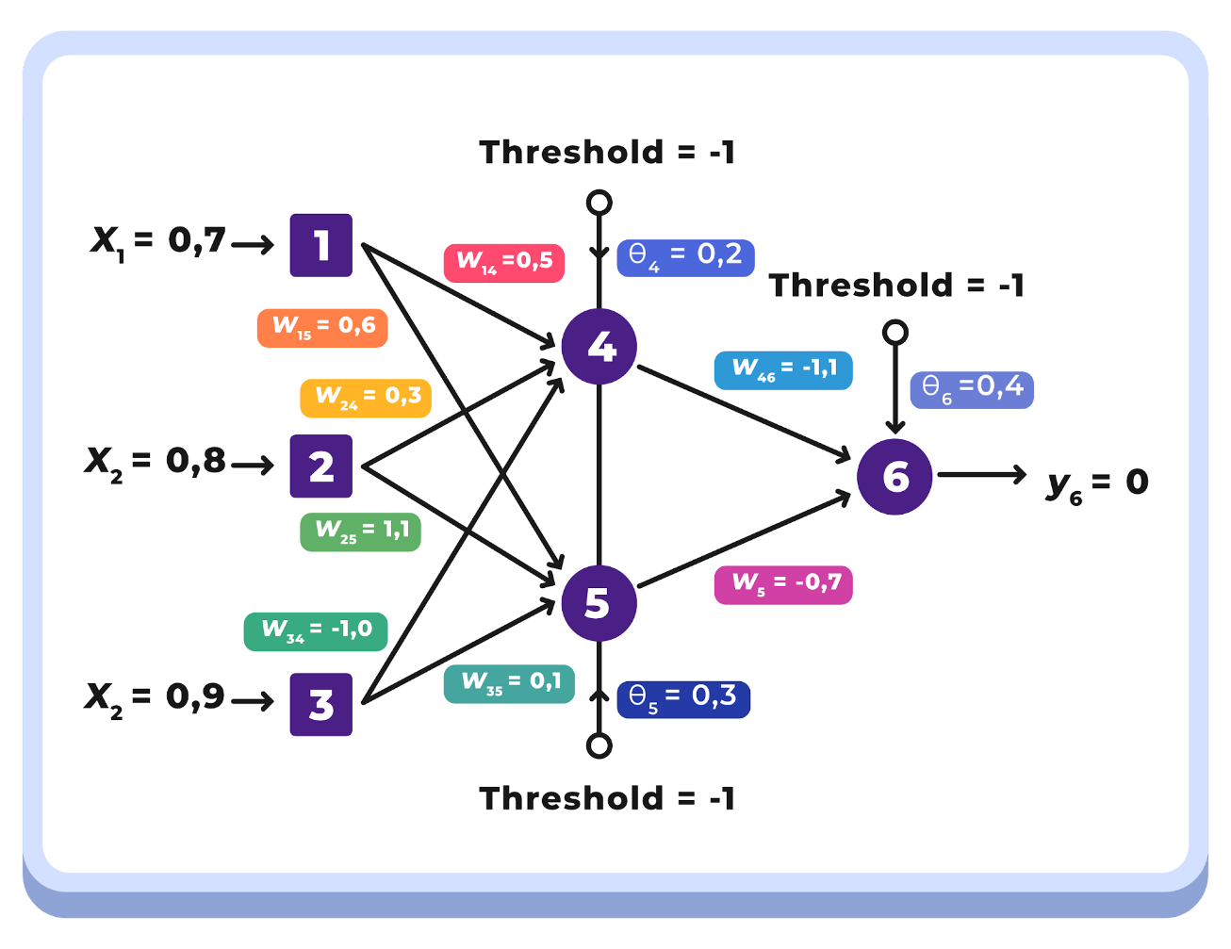
x1 | x2 | x3 | α | treshold | yd,6
0.7 | 0.8 | 0.9 | 0.1 | -1 | 0

w14 | w15 | w24 | w25 | w34 | w35 | w46 | w56 | θ4 | θ5 | θ6
0.5 | 0.6 | 0.3 | 1.1 | -1 | 0.1 | -1.1 | -0.7 | 0.2 | 0.3 | 0.4

y4 | y5 | y6 | e
0.770 | 0.438 | 0.465 | -0.465

δ6 | ∆W46 | ∆W56 | ∆θ6
-0.1156 | -0.0089 | -0.0051 | 0.0116

δ4 | δ5
0.0225 | 0.0199

∆W14 | ∆W24 | ∆W34 | ∆Wθ4
0.0016 | 0.0018 | 0.0020 | -0.0023

∆W15 | ∆W25 | ∆W35 | ∆Wθ5
0.0014 | 0.0016 | 0.0018 | -0.0020

W14 | W15 | W24 | W25 | W34 | W35 | θ4 | θ5 | θ6
0.5016 | 0.6014 | 0.3018 | 1.1016 | -0.9980 | 0.1018 | 0.1977 | 0.2980 | 0.4116

